Sheet1
Relationship between maximum CO2 assimilation rate and single leaf nitrogen concentration
 | data from Keulen and Seligman (1987) and Peng et al (unpublished IRRI)

Background is that ORYZA uses this relationship to link relationship of leaf N at 3 different depths in the canopy versus max CO2 assimilation rate in leaf response curve

We use this as a way to link Vcmax (carboxylation rate related to rubisco protein content) to leaf N content in the overall canopy
Eventually would like to simulate N distribution in canopy via sunlit / shaded leaves as well, for now we use one average specific leaf N value

using online freeware version of PlotDigitizer

 | leaf N | Pmax |  | Pmax | normalized Pmax
 | g m-2 | kg CO2 ha-1 h-1 |  | umol CO2 m-2 s-1
 | x, | y
 | 0.23846175922 | 3.2432460756 |  | 2.0475038356 | 0.060390816334
 | 0.28076933167 | 6.2957073195 |  | 3.9745627017 | 0.11722912649
 | 0.43076932286 | 16.597773842 |  | 10.478392577 | 0.30905860619
 | 0.3615385577 | 11.351352532 |  | 7.1662579113 | 0.21136769455
 | 0.50000008803 | 20.508744996 |  | 12.947440023 | 0.38188278762
 | 0.61153842565 | 23.084261627 |  | 14.573397492 | 0.42984015755
 | 0.76153841685 | 26.136727237 |  | 16.500459114 | 0.48667854901
 | 1.0038460949 | 32.241654092 |  | 20.354579603 | 0.60035525062
 | 1.2692306947 | 38.155804847 |  | 24.088260636 | 0.71047960866
 | 1.5423078365 | 43.879175138 |  | 27.701499456 | 0.81705154183
 | 1.7538460509 | 48.267090905 |  | 30.471648298 | 0.89875666349
 | 1.9923078101 | 53.704292681 |  | 33.904225177 | 1
 | 0.88846148632 | 28.998412382 |  | 18.307078524 | 0.53996451559
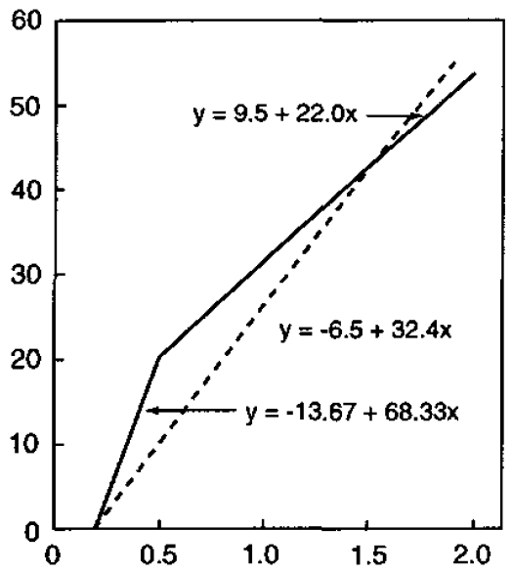

 | prior to 0.5
 |  | y = | 1.239 | -0.232
 |  |  |  |  |  | 1.23902349 | -0.23292208329

 | after 0.5
 |  | y = | 0.4139 | 0.177 |  | 0.41392727943 | 0.17713585308

